Customer Please Read and Comple
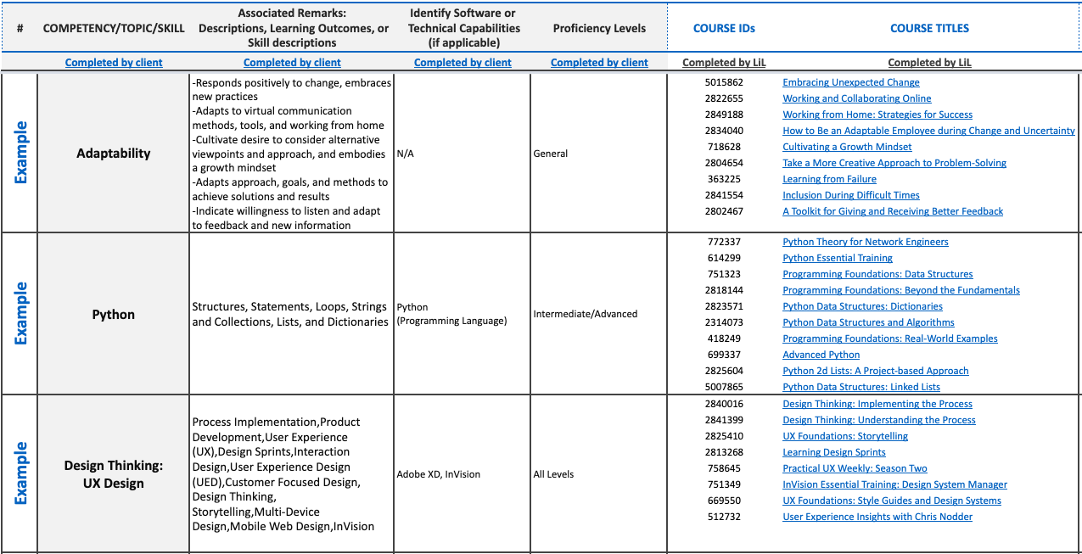
 | Content Mapping Services
 | Content Mapping is the process of curating relevant LinkedIn Learning courses that match a set of data or information provided by the account team from the customer. The content mapping team synthesizes information supplied by the customer and delivers customized content recommendations to help drive activation, learner engagement, and retention. Our deliverable comes in the form of an Excel file; currently, the mapping team is resourced to provide curation results in the form of a course title and course link only (no video-level mapping).

 | Begin your Content Mapping Request:

 | Step One_A: | Define the audience by occupation, industry type, department, employee level, or persona.
 | Note: | Information supplied in Step One 'A' and 'B' are used to inform our content recommendations and better align them with your learning needs.
 | All Microsoft Office related material organised by product: Word, Excel, General Office, OneDrive etc

 | Step One_B: | Mark an 'x' on desired course proficiencies and employee levels --------------> |  |  |  |  | [for guidance & definitions, visit the 'Glossary' tab]

 |  | X
 | Proficiency Levels: | All Levels | General | Beginner | Beginner + Intermediate | Intermediate | Advanced

 | Step Two: | Mark an 'x' on desired languages [turn-around-time (TAT) may increase when there're multiple languages]

 |  |  | X
 |  | All Languages | English | German | Spanish | French | Portuguese | Japanese | Madarin

 | Step Three: | Specify if you would like an exhaustive OR a tailored mapping by marking an 'x' on the desired option -A tailored list includes up to ten of the most relevant courses per competency / topic -An exhaustive list includes an unlimited number of courses that align with the competency / topic

 |  | X
 |  | Exhaustive | Tailored

 | Step Four: | Fill out columns 'C-F' in the Content Mapping Template with relevant information.

 | Note: | The mapping team maps primarily based on column 'C.' The rest of the columns provide the content curator supplementary information to better align mapping recommendations.
Completed by the client
Completed by LinkedIn Learning content mapping team

 |  | Column 'C' |  | Column 'D' |  | Column 'E' |  | Column 'F' | Mapping recommendations provided back to the customer

